INPUT
B2S

XL DATA

Site ID | : | JAW-JK-GGP-0435
Site Name | : | PETERNAKAN KAPUK RAYA RELOCATION
Candidat | : | 1
Project Deff | :
Project Type | : | Greenfield
RBS Antenna Height | :
RBS Antenna Direction | :
Date | : | 2022-09-08
COORDINAT NOM |  |  |  | Lat | : | 6°8'20.04"S
 |  |  |  | Long | : | 106°45'33.84"T
TBG.SYS DATA

Site Address | : | Jl. Peternakan III
 |  | Kel. Kapuk Kec. Cengkareng Kota Jakarta Barat, DKI Jakarta

Area | : | JABODETABEK
Company | :
ESR DATA

Contact Person/ Lanlord | :
Phone Landlord | : | +62
Contact Person Address Lanlord | :
 | :
 | :
COORDINAT ESR |  |  |  | Lat | : | 06.14059 // '6° 08'26.1"S
 |  |  |  | Long | : | 106.76046 // 106°45'37.7"T
Distance NOM to Candidate | : | 212 M | M
Bearing NOM to Canditate | : |  | O
Map Datum : | :
Distance from public road | : | Length : | 5 | Width : | 2
Length of private access | : | Length : | 5 | Width : | 2
Height Structure Type (Roof Top) |  |  | Stories |  | : | …………………
 |  |  | Roof Top |  | :
 |  |  | Penthose |  | : | …………………
 |  |  | Other |  | : | …………………
Old of Building | : |  | Years
Tower Placement | : | RT
Tower Type | : | Greenfield
Tower Height | : |  | M
Building Hight | : |  | M
Site space / Land size (LxW) | : | 2 | 2 | 4 | M2
Date ESR | : | 2022-09-08
Surveyor | : | Nurhayadi
Document Prepare | : | Fachmi Badawi
Phone | : | +62 | 8119146116
Email | : | fahmiamy0212@gmail.com
M.a.g.l | : | M.a.g.l (meter above ground level)
M.a.s.l | : | M.a.s.l (meter above sea level)

App Sheet


 |  |  | APPROVAL SHEET
 |  |  | ENGINEERING SURVEY REPORT

 | SITE ID |  |  | JAW-JK-GGP-0435
 | SITE NAME |  |  | PETERNAKAN KAPUK RAYA RELOCATION
 | CANDIDATE |  |  | 2
 | SITE ADDRESS |  |  | Jl. Peternakan III , Kel. Kapuk Kec. Cengkareng Kota Jakarta Barat, DKI Jakarta,
 | PROJECT TYPE |  |  | Greenfield
 | PROPOSE BY |  |  | 0

Note:
SLA Routing Approval per Department is 1 (one) working day

Routing Approval:

Approval |  | Doc ESR In |  | Doc ESR Out |  | Remark | Sign | PIC Name
 |  | Date | Time | Date | Time
Sitac

BSS RND

TRM

Civil Eng

Power Eng

Approval 006
Doc ESR Received by Admin NDC
Doc Copy ESR Received by Vendor

RFA
REQUEST FOR APPROVAL
(Tower Rental Project)

 |  | Date : September, 08 2022
Site ID | Site Info | Provider Remark
SITE ID : JAW-JK-GGP-0435
Site Name : PETERNAKAN KAPUK RAYA RELOCATION

Tower Height : M | Location Photograph
Tower Type : RT-Greenfield- M-HB : M
Project Deff :
 | Site Search Report

Site Address :
Jl. Peternakan III , Kel. Kapuk Kec. Cengkareng Kota Jakarta Barat, DKI Jakarta,

Candidate Proposed Coordinate | LOI
LATITUDE : 06.14059 // '6° 08'26.1"S

LONGITUDE : 106.76046 // 106°45'37.7"T | Property Document
(harus sama dgn info koordinat di halaman 1)

NOM Coordinate
LATITUDE : 6°8'20.04"S

LONGITUDE : 106°45'33.84"T

Distance NOM to Candidate : 212 M mtr
Bearing NOM to Canditate : degree

Prepared By : | Review By : | Approved by XL:

0
PIC : Fachmi Badawi (fahmiamy0212@gmail.com) Phone : +628119146116 | Name : | Name :
Date : September, 08 2022 | Date : | Date :

Approved by : XL
Name :
Date
Released to vendor by :
Name :
Date :
Prepared by :
PT. Inti Samudra Prakarsa
PIC: Herman Effendi
Reviewed by :
Name :
Date :

Photo GPS
 |  |  | PHOTOGRAPH DOCUMENTARY
Site No. | : | JAW-JK-GGP-0435 | Project | : | Greenfield
Site Name | : | PETERNAKAN KAPUK RAYA RELOCATION | Location | : | JABODETABEK
Visit Date | : | 8-Sep-22 | Prepared by | : | 0
Surveyor | : | Nurhayadi

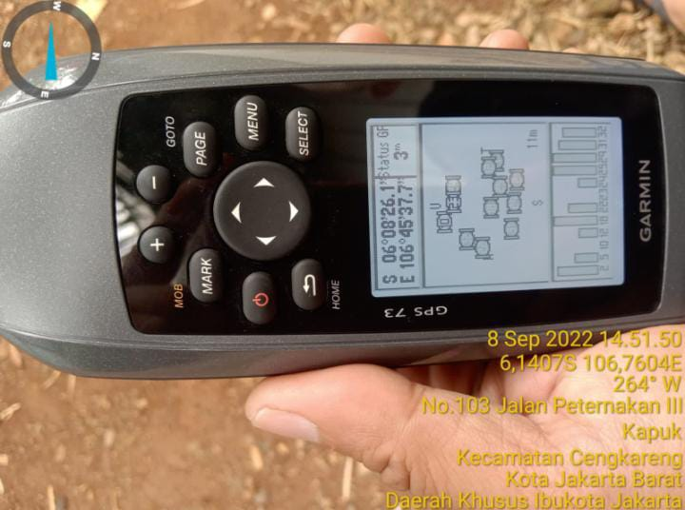

GPS

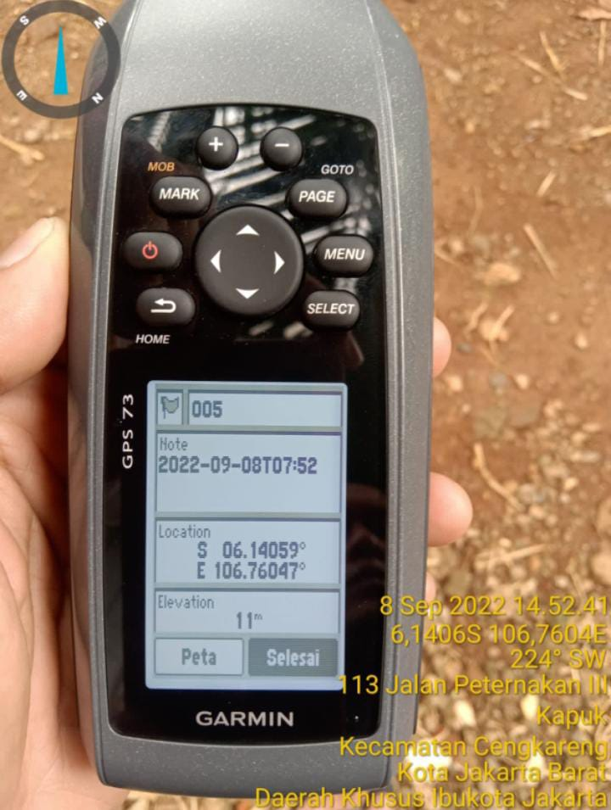
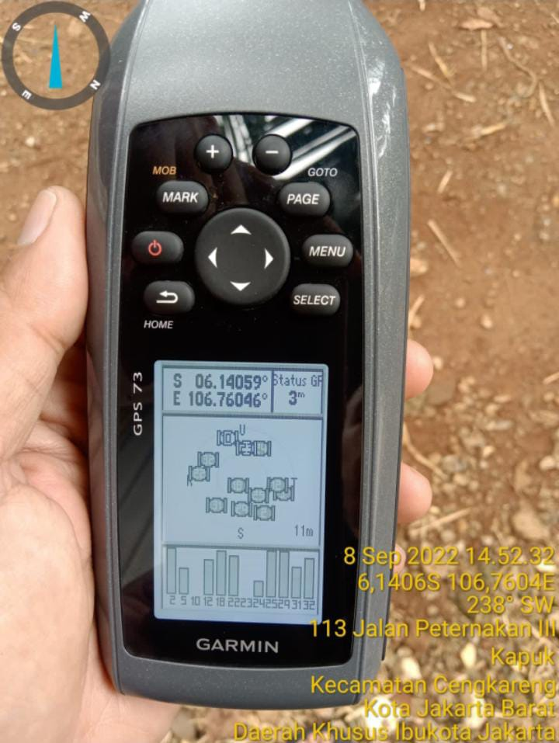

GPS DMS

Suroundings
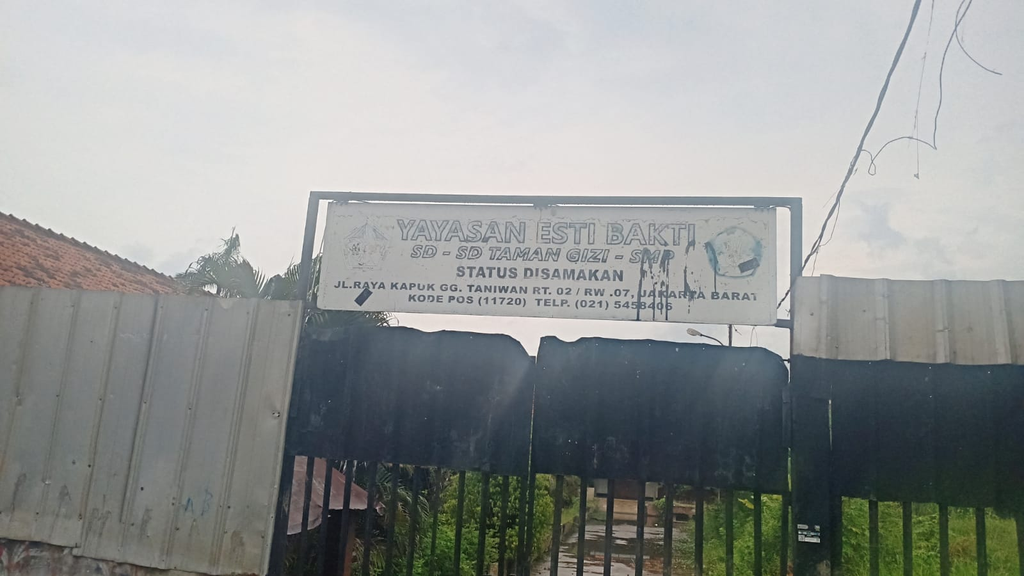
 |  |  | PHOTOGRAPH DOCUMENTARY
Site No. | : | JAW-JK-GGP-0435 | Project | : | Greenfield
Site Name | : | PETERNAKAN KAPUK RAYA RELOCATION | Location | : | JABODETABEK
Visit Date | : | 8-Sep-22 | Prepared by | : | 0
Surveyor | : | Nurhayadi

0,30
 |  |  | PHOTOGRAPH DOCUMENTARY
Site No. | : | JAW-JK-GGP-0435 | Project | : | Greenfield
Site Name | : | PETERNAKAN KAPUK RAYA RELOCATION | Location | : | JABODETABEK
Visit Date | : | 8-Sep-22 | Prepared by | : | 0
Surveyor | : | Nurhayadi

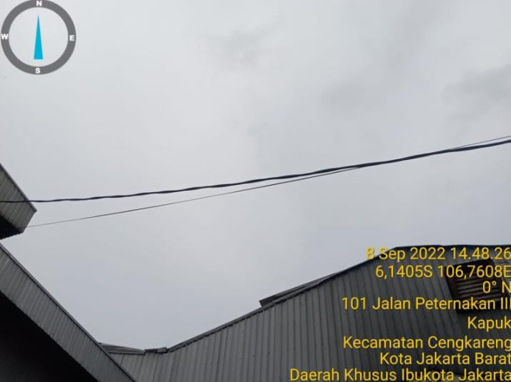

Panoramic 0º

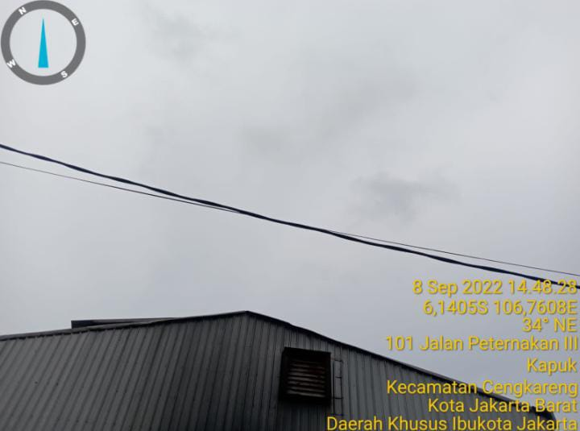

Panoramic 30º

60,90
 |  |  | PHOTOGRAPH DOCUMENTARY
Site No. | : | JAW-JK-GGP-0435 | Project | : | Greenfield
Site Name | : | PETERNAKAN KAPUK RAYA RELOCATION | Location | : | JABODETABEK
Visit Date | : | 8-Sep-22 | Prepared by | : | 0
Surveyor | : | Nurhayadi

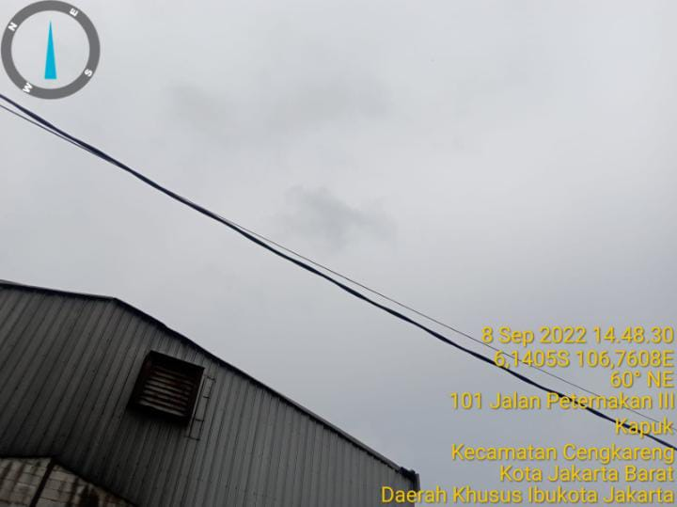

Panoramic 60º

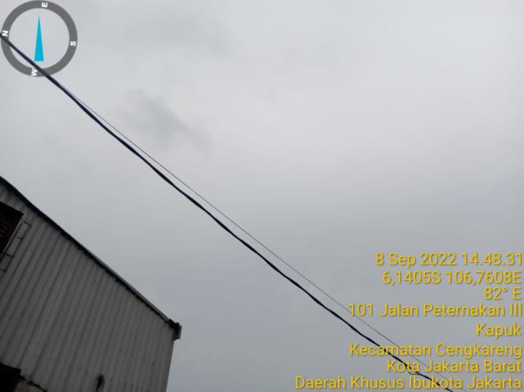

Panoramic 90º

120,150
 |  |  | PHOTOGRAPH DOCUMENTARY
Site No. | : | JAW-JK-GGP-0435 | Project | : | Greenfield
Site Name | : | PETERNAKAN KAPUK RAYA RELOCATION | Location | : | JABODETABEK
Visit Date | : | 8-Sep-22 | Prepared by | : | 0
Surveyor | : | Nurhayadi

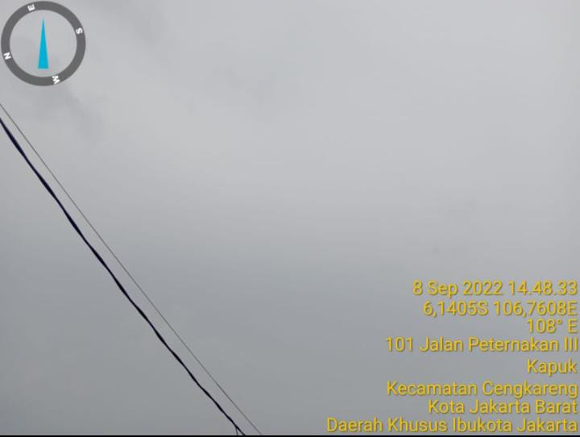

Panoramic 120º

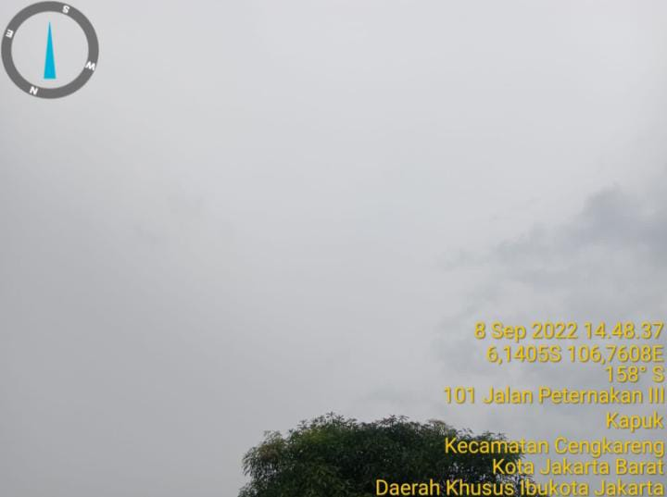

Panoramic 150º

180,210
 |  |  | PHOTOGRAPH DOCUMENTARY
Site No. | : | JAW-JK-GGP-0435 | Project | : | Greenfield
Site Name | : | PETERNAKAN KAPUK RAYA RELOCATION | Location | : | JABODETABEK
Visit Date | : | 8-Sep-22 | Prepared by | : | 0
Surveyor | : | Nurhayadi

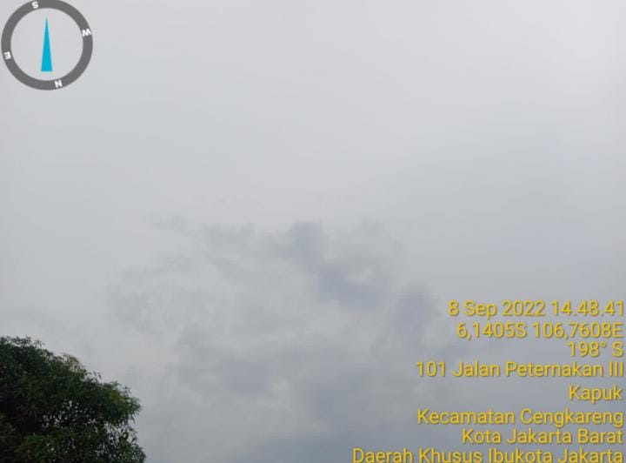

Panoramic 180º

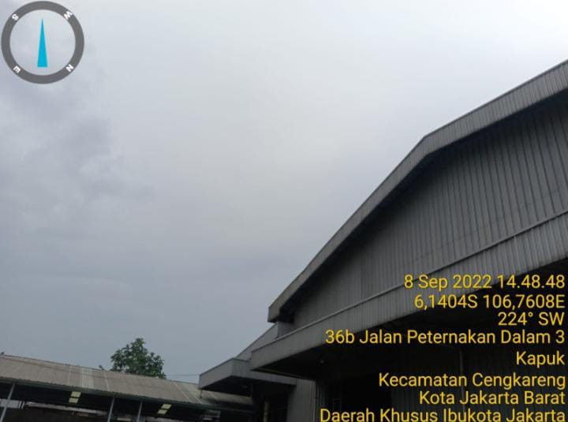

Panoramic 210º

240, 270
 |  |  | PHOTOGRAPH DOCUMENTARY
Site No. | : | JAW-JK-GGP-0435 | Project | : | Greenfield
Site Name | : | PETERNAKAN KAPUK RAYA RELOCATION | Location | : | JABODETABEK
Visit Date | : | 8-Sep-22 | Prepared by | : | 0
Surveyor | : | Nurhayadi

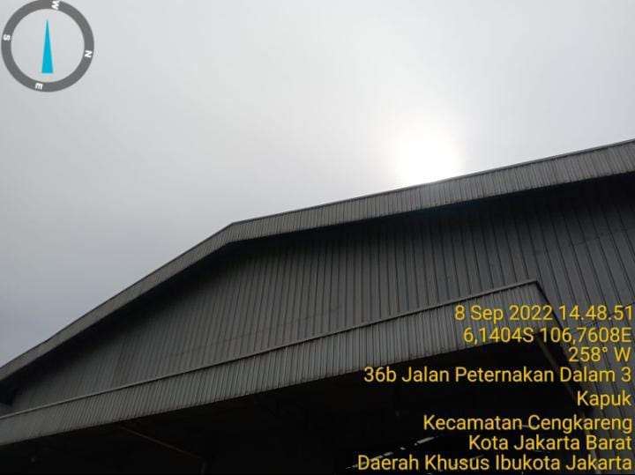

Panoramic 240º

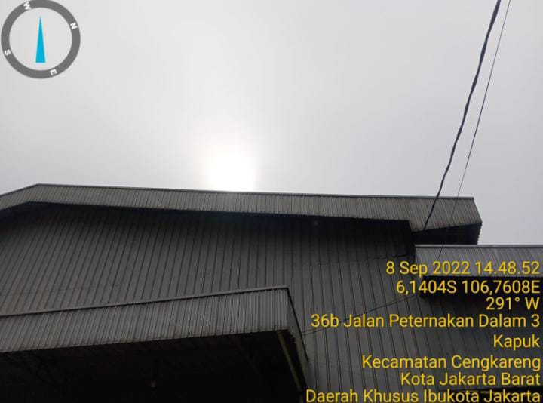

Panoramic 270º

300, 330
 |  |  | PHOTOGRAPH DOCUMENTARY
Site No. | : | JAW-JK-GGP-0435 | Project | : | Greenfield
Site Name | : | PETERNAKAN KAPUK RAYA RELOCATION | Location | : | JABODETABEK
Visit Date | : | 8-Sep-22 | Prepared by | : | 0
Surveyor | : | Nurhayadi

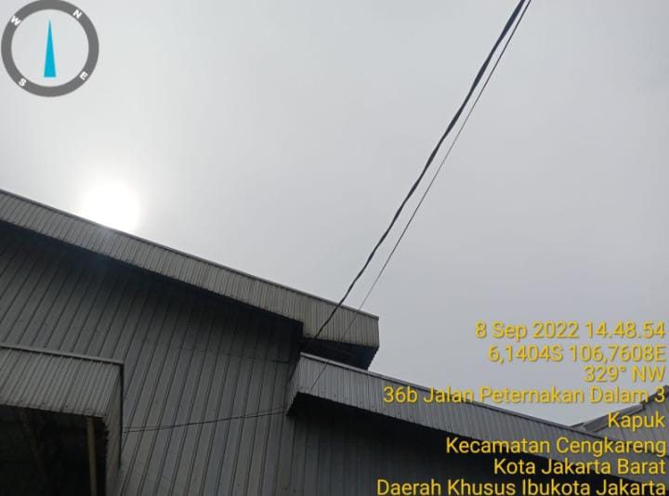

Panoramic 300º

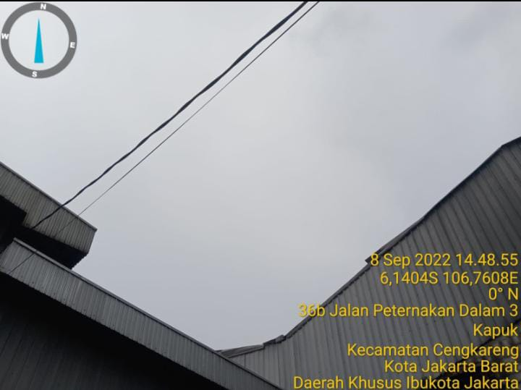

Panoramic 330º

RBS
 |  |  | PHOTOGRAPH DOCUMENTARY
Site No. | : | JAW-JK-GGP-0435 | Project | : | Greenfield
Site Name | : | PETERNAKAN KAPUK RAYA RELOCATION | Location | : | JABODETABEK
Visit Date | : | 8-Sep-22 | Prepared by | : | 0
Surveyor | : | Nurhayadi

NA

Panoramic 75º



Panoramic 210º

Panoramic 300º

depan,belakang
 |  |  | PHOTOGRAPH DOCUMENTARY
Site No. | : | JAW-JK-GGP-0435 | Project | : | Greenfield
Site Name | : | PETERNAKAN KAPUK RAYA RELOCATION | Location | : | JABODETABEK
Visit Date | : | 8-Sep-22 | Prepared by | : | 0
Surveyor | : | Nurhayadi

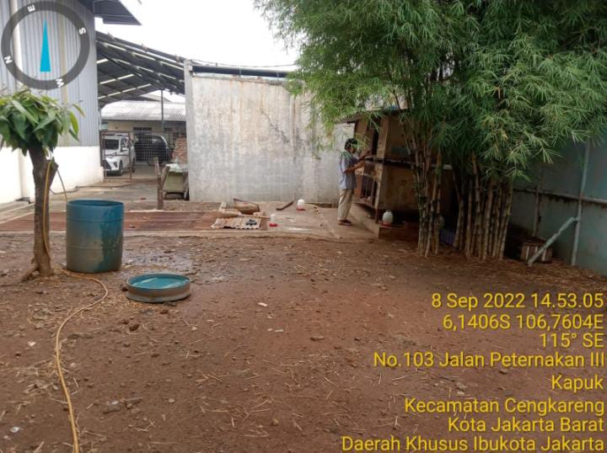

TAMPAK BAGIAN DEPAN SITE

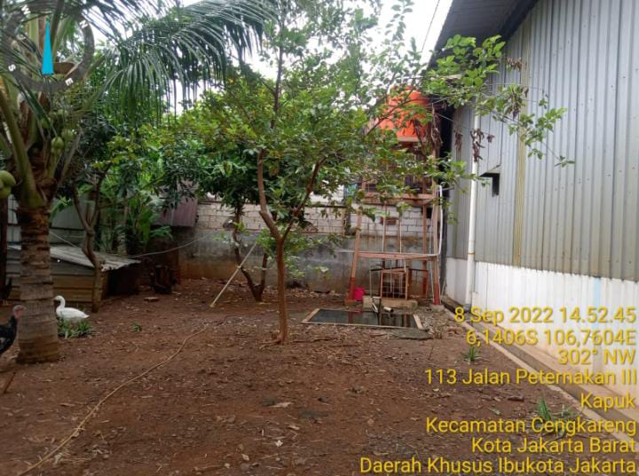

TAMPAK bAGIAN BELAKANG SITE

kiri,kanan
 |  |  | PHOTOGRAPH DOCUMENTARY
Site No. | : | JAW-JK-GGP-0435 | Project | : | Greenfield
Site Name | : | PETERNAKAN KAPUK RAYA RELOCATION | Location | : | JABODETABEK
Visit Date | : | 8-Sep-22 | Prepared by | : | 0
Surveyor | : | Nurhayadi

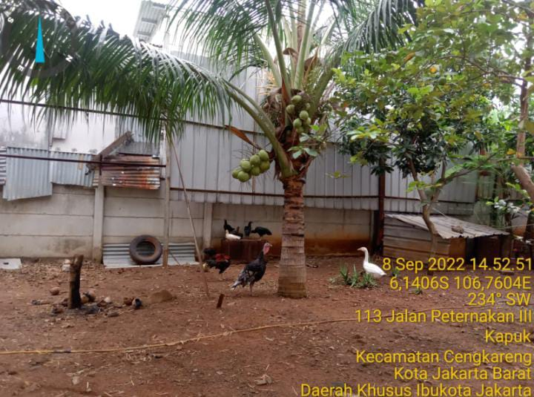

TAMPAK BAGIAN KANAN SITE

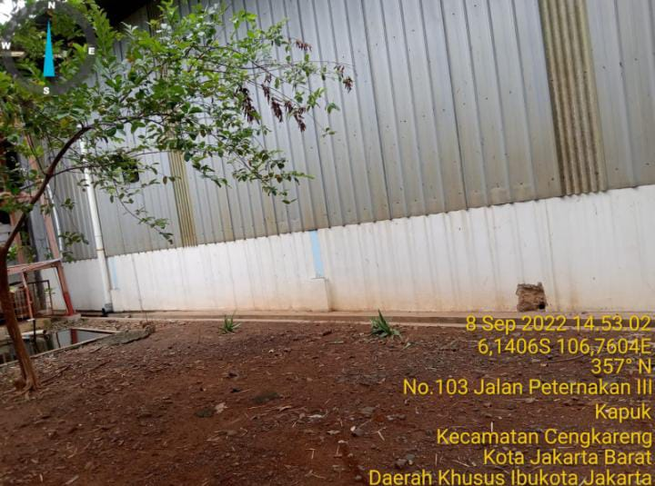

TAMPAK BAGIAN KIRI SITE

PANORAMA 0O
PANORAMA 30O
PANORAMA 60O
PANORAMA 90O
PANORAMA 120O
PANORAMA 150O
PANORAMA 180O
PANORAMA 210O
PANORAMA 240O
PANORAMA 270O
PANORAMA 300O
PANORAMA 330O

RBB ANTENNA SECTOR
PANORAMA 0O
PANORAMA 0O
PANORAMA 0O
PANORAMA 0O

SITE LOCATION
TAMPAK DEPAN
TAMPAK BELAKANG
TAMPAK KIRI
TAMPAK KANAN

PLN/POWER POLE,TRAFO

SITE ACCESS TO SITE

Site Location
 |  |  | PHOTOGRAPH DOCUMENTARY
Site No. | : | JAW-JK-GGP-0435 | Project | : | Greenfield
Site Name | : | PETERNAKAN KAPUK RAYA RELOCATION | Location | : | JABODETABEK
Visit Date | : | 8-Sep-22 | Prepared by | : | 0
Surveyor | : | Nurhayadi

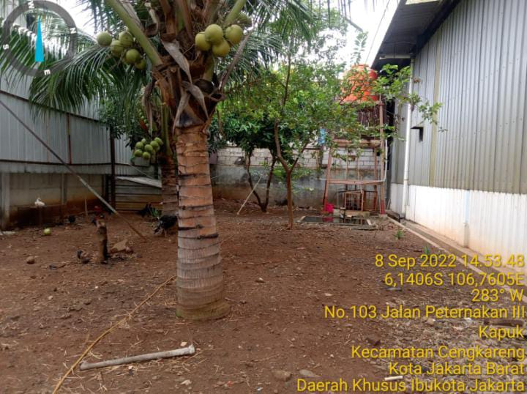

Proposed Tower

site access
 |  |  | PHOTOGRAPH DOCUMENTARY
Site No. | : | JAW-JK-GGP-0435 | Project | : | Greenfield
Site Name | : | PETERNAKAN KAPUK RAYA RELOCATION | Location | : | JABODETABEK
Visit Date | : | 8-Sep-22 | Prepared by | : | 0
Surveyor | : | Nurhayadi

SITE ACCESS TO SITE

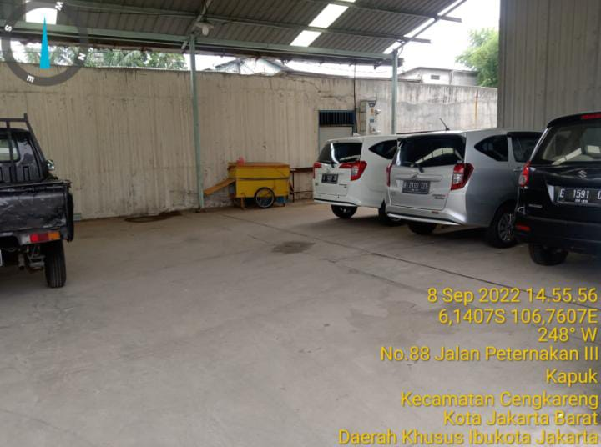

SITE ACCESS TO SITE

 |  |  | PHOTOGRAPH DOCUMENTARY
Site No. | : | JAW-JK-GGP-0435 | Project | : | Greenfield
Site Name | : | PETERNAKAN KAPUK RAYA RELOCATION | Location | : | JABODETABEK
Visit Date | : | 8-Sep-22 | Prepared by | : | 0
Surveyor | : | Nurhayadi

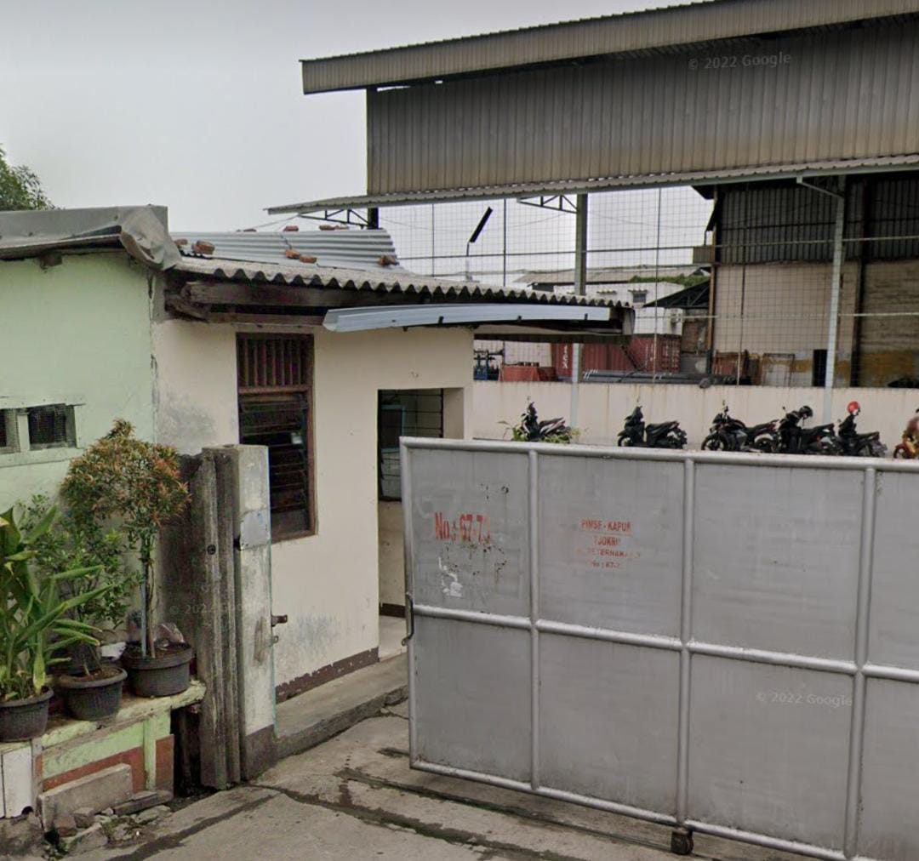

SITE ACCESS TO SITE

SITE ACCESS TO SITE

Site No. | : | JAW-JK-GGP-0435 | Project | : | Greenfield
Site Name | : | PETERNAKAN KAPUK RAYA RELOCATION | Location | : | JABODETABEK
Visit Date | : | 8-Sep-22 | Prepared by | : | 0
Surveyor | : | Nurhayadi

SITE ACCESS TO SITE

SITE ACCESS TO SITE

 |  |  | PHOTOGRAPH DOCUMENTARY
Site No. | : | JAW-JK-GGP-0435 | Project | : | Greenfield
Site Name | : | PETERNAKAN KAPUK RAYA RELOCATION | Location | : | JABODETABEK
Visit Date | : | 8-Sep-22 | Prepared by | : | 0
Surveyor | : | Nurhayadi

SITE ACCESS TO SITE

SITE ACCESS TO SITE

PLN
 |  |  | PHOTOGRAPH DOCUMENTARY
Site No. | : | JAW-JK-GGP-0435 | Project | : | Greenfield
Site Name | : | PETERNAKAN KAPUK RAYA RELOCATION | Location | : | JABODETABEK
Visit Date | : | 8-Sep-22 | Prepared by | : | 0
Surveyor | : | Nurhayadi

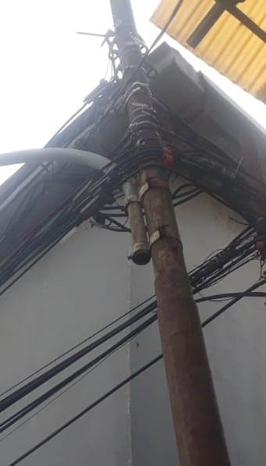

POLE PLN

TRAFO PLN

Site Situasi
 |  |  | PHOTOGRAPH DOCUMENTARY
Site No. | : | JAW-JK-GGP-0435 | Project | : | Greenfield
Site Name | : | PETERNAKAN KAPUK RAYA RELOCATION | Location | : | JABODETABEK
Visit Date | : | 8-Sep-22 | Prepared by | : | 0
Surveyor | : | Nurhayadi

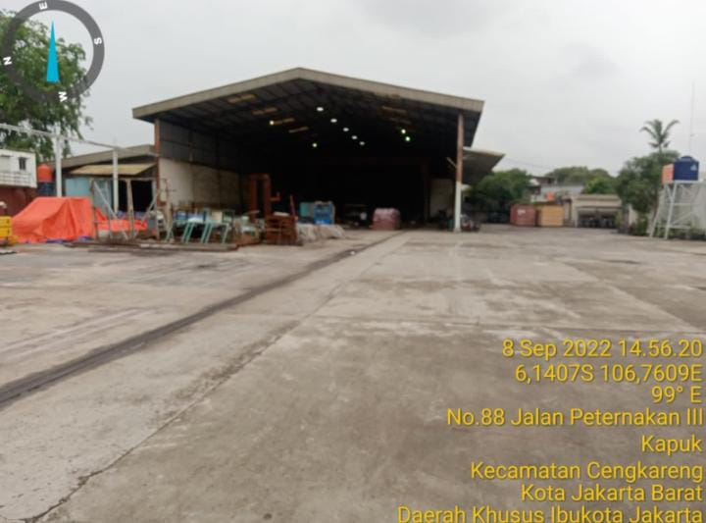

SITE SITUATION 1

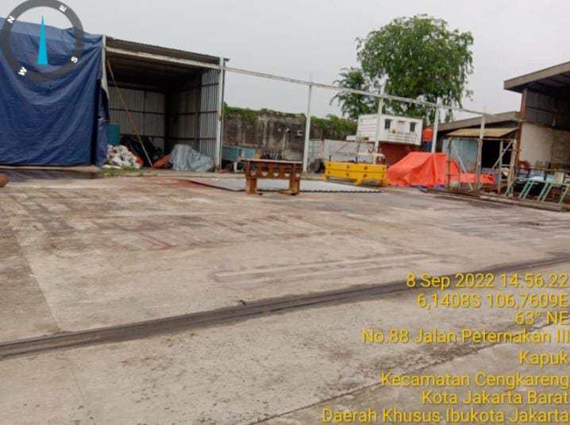

SITE SITUATION 2

Peta dan Layout
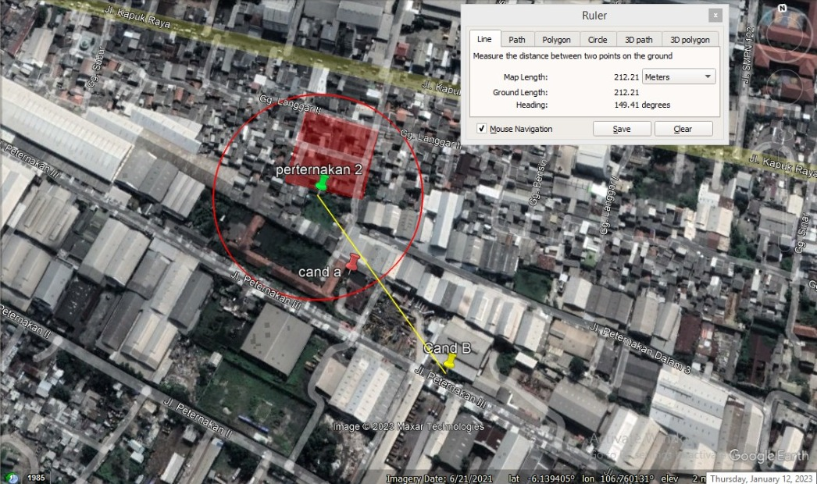
 |  |  | PHOTOGRAPH DOCUMENTARY
Site No. | : | JAW-JK-GGP-0435 | Project | : | Greenfield
Site Name | : | PETERNAKAN KAPUK RAYA RELOCATION | Location | : | JABODETABEK
Visit Date | : | 8-Sep-22 | Prepared by | : | 0
Surveyor | : | Nurhayadi

PETA LOKASI

